Sheet1
 |  | Document No. | Issue No. | Issue Date |  | Review and Replace Date |  | Authorised By
 |  | GFF040MC | 2 | 28.09.2018 |  | 23.09.2020
 |  | Document Title | Bombay Potatoes 300g
Document amendments reason for change |  | Black tray changed to evolve tray | Page 1 of 1 |  | Previous Issue Date |  | 28.09.2018 | Uncontrolled copy unless signed original

CVBOP-R4TEB | BOOTHS |  | Bombay Potatoes 300g
STEP 1 |  |  |  |  | STEP 2
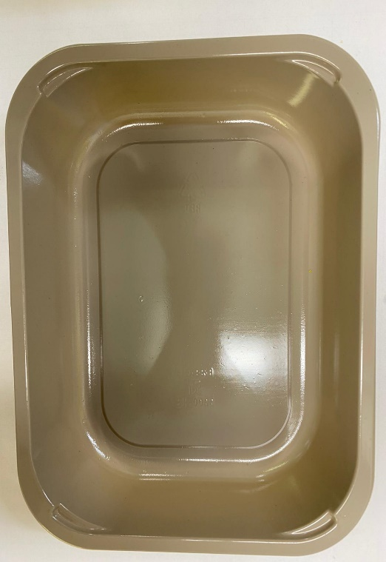

Tray: EVOLVE CPET 2200-1D (PKRHP001-09) |  |  |  |  | Bombay Potato (GFF128R): 300g
Line 1: Mylar 250LAF 250mm x 1000 (PKWRA001-08)
Line 1: K-Peel 75G + AF 25 250mm (PKKMP001-01)
Line 2: Mylar 25OLAF - 380mm wide (PKWRA001-02)
TOTAL WEIGHT: 300g

ALLERGY ALERT: MUSTARD, BARLEY

